Sheet1
Description: Knit Sleep Carpi
UPC | Retail | Units Per Case | Cases | Color | Picture | Size | Total | Number of Pallets
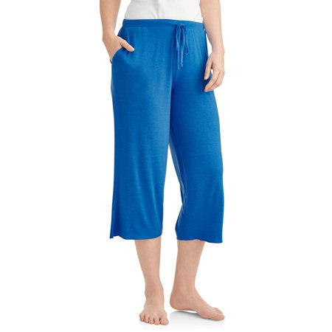

8806335230967 | $9.88 | 12 | 61 | Blue |  | Small | 732 | 1

