Sheet1
Description: Time and Tru V-Neck Tee
UPC | Retail | Units per case | Cases | Color | Picture | Size | Total | Number of Pallets
761253134545 | $9.76 |  |  | Lemon Lime Heather |  |  |  | 1
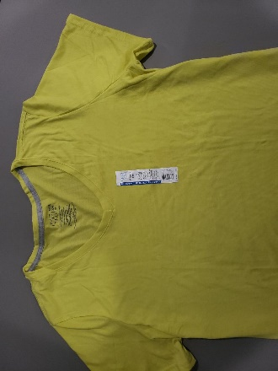

 |  | 72 | 2 |  |  | 3XL | 144


Description: Time and Tru Ribbed Tank
UPC | Retail | Units per case | Cases | Color | Picture | Size | Total | Number of Pallets
8809598056916 | $5.44 |  |  | White |  |  |  | 1

 |  | 72 | 1 |  |  | 3XL | 72

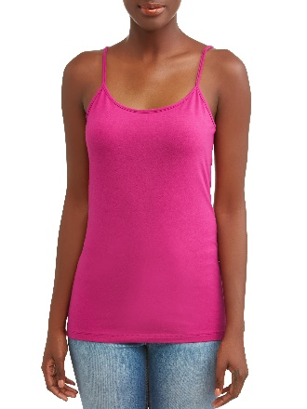
Description: Time and Tru Cami
UPC | Retail | Units per case | Cases | Color | Picture | Size | Total | Number of Pallets
8809598084476 | $3.50 |  |  | Lolita |  |  |  | 1

 |  | 120 | 2 |  |  | 2XL | 240

