Sheet1
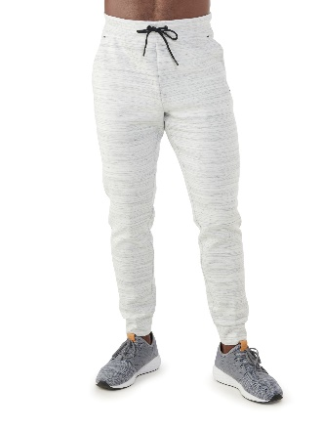
Description: Russell Joggers - Pallet #1
UPC | Retail | Units Per Case | Cases | Color | Picture | Small | Medium | Large | Xlarge | 2XL | Total
884968155305 | $17.47 | 2 | 3 | AWHTHT |  | 6
884968155312 |  | 4 |  |  |  |  | 12
884968155329 |  | 3 |  |  |  |  |  | 9
884968155336 |  | 2 |  |  |  |  |  |  | 6
884968155343 |  | 1 |  |  |  |  |  |  |  | 3
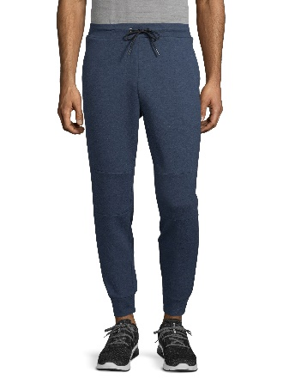
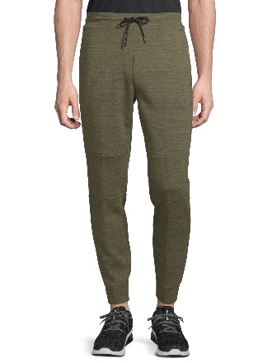
884968155459 |  | 2 |  | BLCOVE |  | 6
884968155466 |  | 4 |  |  |  |  | 12
884968155473 |  | 3 |  |  |  |  |  | 9 |  |  | 108
884968155480 |  | 2 |  |  |  |  |  |  | 6
884968155497 |  | 1 |  |  |  |  |  |  |  | 3

884968155350 |  | 2 |  | GRARMYHT |  | 6
884968155367 |  | 4 |  |  |  |  | 12
884968155374 |  | 3 |  |  |  |  |  | 9
884968155381 |  | 2 |  |  |  |  |  |  | 6
884968155398 |  | 1 |  |  |  |  |  |  |  | 3

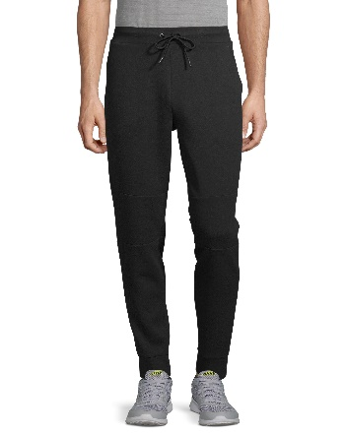
884968155404 | $17.47 | 2 | 9 | RCHBLK |  | 18
884968155411 |  | 4 |  |  |  |  | 36
884968155428 |  | 3 |  |  |  |  |  | 27
884968155455 |  | 2 |  |  |  |  |  |  | 18
884968155442 |  | 1 |  |  |  |  |  |  |  | 9
 |  |  |  |  |  |  |  |  |  |  | 324
884968155350 |  | 4 |  | GRARMYHT |  | 36
884968155367 |  | 8 |  |  |  |  | 72
884968155374 |  | 6 |  |  |  |  |  | 54
884968155381 |  | 3 |  |  |  |  |  |  | 27
884968155398 |  | 3 |  |  |  |  |  |  |  | 27

Description: Russell Joggers - Pallet #2
UPC | Retail | Units Per Case | Cases | Color | Picture | Small | Medium | Large | Xlarge | 2XL | Total
884968155404 | $17.47 | 2 | 8 | RCHBLK |  | 16 |  |  |  |  | 288
884968155411 |  | 4 |  |  |  |  | 32
884968155428 |  | 3 |  |  |  |  |  | 24
884968155455 |  | 2 |  |  |  |  |  |  | 16
884968155442 |  | 1 |  |  |  |  |  |  |  | 8

884968155350 |  | 4 |  | GRARMYHT |  | 32
884968155367 |  | 8 |  |  |  |  | 64
884968155374 |  | 6 |  |  |  |  |  | 48
884968155381 |  | 3 |  |  |  |  |  |  | 24
884968155398 |  | 3 |  |  |  |  |  |  |  | 24

 |  |  |  |  | 2 PALLETS
 |  |  |  |  | 720 UNITS

