Sheet1
Description: Russell Fusion Knit Jackets - Pallet #1
UPC | Retail | Units Per Case | Cases | Color | Picture | Small | Medium | Large | Xlarge | 2XL | Total | Number of Pallets
884968155602 | $17.47 | 2 | 13 | Artic White Heather |  | 26
884968155619 |  | 3 |  |  |  |  | 39
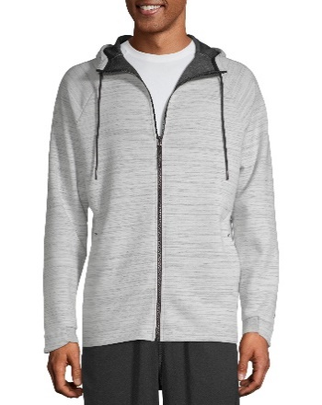
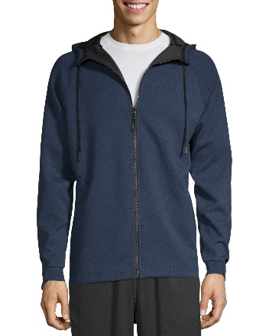
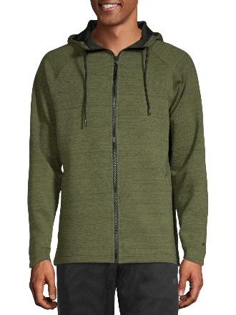
884968155626 |  | 3 |  |  |  |  |  | 39
884968155633 |  | 2 |  |  |  |  |  |  | 26
884968155640 |  | 2 |  |  |  |  |  |  |  | 26
884968155558 |  | 2 |  | Green Army Heather |  | 26
884968155565 |  | 3 |  |  |  |  | 39
884968155572 |  | 3 |  |  |  |  |  | 39 |  |  | 468 | 1
884968155589 |  | 2 |  |  |  |  |  |  | 26
884968155596 |  | 2 |  |  |  |  |  |  |  | 26
884968155701 |  | 2 |  | Blue Cove |  | 26
884968155718 |  | 3 |  |  |  |  | 39
884968155725 |  | 3 |  |  |  |  |  | 39
884968155732 |  | 2 |  |  | Artic White - Green Army Heather - Blue Cove |  |  |  | 26
884968155749 |  | 2 |  |  |  |  |  |  |  | 26

Description: Russell Fusion Knit Jackets - Pallet #2
UPC | Retail | Units Per Case | Cases | Color | Picture | Small | Medium | Large | Xlarge | 2XL | Total | Number of Pallets
884968155602 | $17.47 | 2 | 8 | Artic White Heather |  | 16
884968155619 |  | 3 |  |  |  |  | 24
884968155626 |  | 3 |  |  |  |  |  | 24
884968155633 |  | 2 |  |  |  |  |  |  | 16
884968155640 |  | 2 |  |  |  |  |  |  |  | 16
884968155558 |  | 2 |  | Green Army Heather |  | 16
884968155565 |  | 3 |  |  |  |  | 24
884968155572 |  | 3 |  |  |  |  |  | 24 |  |  | 288 | 1
884968155589 |  | 2 |  |  |  |  |  |  | 16
884968155596 |  | 2 |  |  |  |  |  |  |  | 16
884968155701 |  | 2 |  | Blue Cove |  | 16
884968155718 |  | 3 |  |  |  |  | 24
884968155725 |  | 3 |  |  |  |  |  | 24
884968155732 |  | 2 |  |  | Artic White - Green Army Heather - Blue Cove |  |  |  | 16
884968155749 |  | 2 |  |  |  |  |  |  |  | 16

Description: Russell Fusion Knit Jackets - Pallet #3
UPC | Retail | Units Per Case | Cases | Color | Picture | Small | Medium | Large | Xlarge | 2XL | Total | Number of Pallets
884968155602 | $17.47 | 2 | 4 | Artic White Heather |  | 8
884968155619 |  | 3 |  |  |  |  | 12
884968155626 |  | 3 |  |  |  |  |  | 12
884968155633 |  | 2 |  |  |  |  |  |  | 8
884968155640 |  | 2 |  |  |  |  |  |  |  | 8
884968155558 |  | 2 |  | Green Army Heather |  | 8
884968155565 |  | 3 |  |  |  |  | 12
884968155572 |  | 3 |  |  |  |  |  | 12
884968155589 |  | 2 |  |  |  |  |  |  | 8
884968155596 |  | 2 |  |  |  |  |  |  |  | 8
884968155701 |  | 2 |  | Blue Cove |  | 8
884968155718 |  | 3 |  |  | Artic White - Green Army Heather - Blue Cove |  | 12
884968155725 |  | 3 |  |  |  |  |  | 12 |  |  | 288 | 1
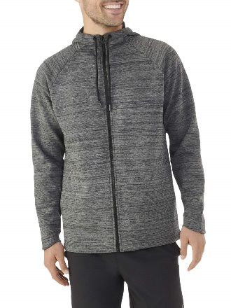
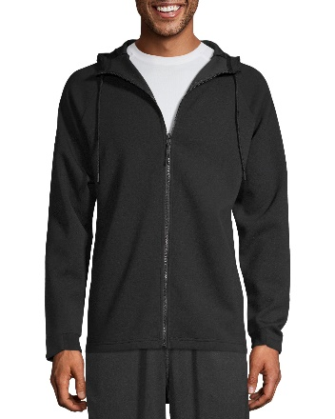
884968155732 |  | 2 |  |  |  |  |  |  | 8
884968155749 |  | 2 |  |  |  |  |  |  |  | 8
884968155503 |  | 5 | 4 | Charcoal Grey Heather |  | 20
884968155510 |  | 5 |  |  |  |  | 20
884968155527 |  | 6 |  |  |  |  |  | 24
884968155534 |  | 5 |  |  |  |  |  |  | 20
884968155541 |  | 3 |  |  |  |  |  |  |  | 12
884968155657 |  | 2 |  | Rich Black |  | 8
884968155664 |  | 3 |  |  |  |  | 12
884968155671 |  | 3 |  |  |  |  |  | 12
884968155688 |  | 2 |  |  | Charcoal Grey Heather - Rich Black |  |  |  | 8
884968155695 |  | 2 |  |  |  |  |  |  |  | 8

Description: Russell Fusion Knit Jackets - Pallet #4
UPC | Retail | Units Per Case | Cases | Color | Picture | Small | Medium | Large | Xlarge | 2XL | Total | Number of Pallets
 | $17.47 |  | 8
884968155503 |  | 2 |  | Charcoal Grey Heather |  | 16
884968155510 |  | 3 |  |  |  |  | 24
884968155527 |  | 3 |  |  |  |  |  | 24
884968155534 |  | 2 |  |  |  |  |  |  | 16
884968155541 |  | 2 |  |  |  |  |  |  |  | 16

 |  |  |  |  |  |  |  |  |  |  | 192 | 1

884968155657 |  | 2 |  | Rich Black |  | 16
884968155664 |  | 3 |  |  |  |  | 24
884968155671 |  | 3 |  |  |  |  |  | 24
884968155688 |  | 2 |  |  |  |  |  |  | 16
884968155695 |  | 2 |  |  | Charcoal Grey Heather - Rich Black |  |  |  |  | 16

Description: Russell Fusion Knit Jackets - Pallet #5
UPC | Retail | Units Per Case | Cases | Color | Picture | Small | Medium | Large | Xlarge | 2XL | Total | Number of Pallets
884968155602 | $17.47 | 2 | 16 | Artic White Heather |  | 32
884968155619 |  | 3 |  |  |  |  | 48
884968155626 |  | 3 |  |  |  |  |  | 48
884968155633 |  | 2 |  |  |  |  |  |  | 32
884968155640 |  | 2 |  |  |  |  |  |  |  | 32
884968155558 |  | 2 |  | Green Army Heather |  | 32
884968155565 |  | 3 |  |  |  |  | 48
884968155572 |  | 3 |  |  |  |  |  | 48
884968155589 |  | 2 |  |  |  |  |  |  | 32
884968155596 |  | 2 |  |  |  |  |  |  |  | 32
884968155701 |  | 2 |  | Blue Cove |  | 32
884968155718 |  | 3 |  |  | Artic White - Green Army Heather - Blue Cove |  | 48
884968155725 |  | 3 |  |  |  |  |  | 48 |  |  | 612 | 1
884968155732 |  | 2 |  |  |  |  |  |  | 32
884968155749 |  | 2 |  |  |  |  |  |  |  | 32
884968155503 |  | 5 | 1 | Charcoal Grey Heather |  | 5
884968155510 |  | 5 |  |  |  |  | 5
884968155527 |  | 6 |  |  |  |  |  | 6
884968155534 |  | 5 |  |  |  |  |  |  | 5
884968155541 |  | 3 |  |  |  |  |  |  |  | 3
884968155657 |  | 2 |  | Rich Black |  | 2
884968155664 |  | 3 |  |  |  |  | 3
884968155671 |  | 3 |  |  |  |  |  | 3
884968155688 |  | 2 |  |  | Charcoal Grey Heather - Rich Black |  |  |  | 2
884968155695 |  | 2 |  |  |  |  |  |  |  | 2

Description: Russell Fusion Knit Jackets - Pallet #6
UPC | Retail | Units Per Case | Cases | Color | Picture | Small | Medium | Large | Xlarge | 2XL | Total | Number of Pallets
884968155602 | $17.47 | 2 | 12 | Artic White Heather |  | 24
884968155619 |  | 3 |  |  |  |  | 36
884968155626 |  | 3 |  |  |  |  |  | 36
884968155633 |  | 2 |  |  |  |  |  |  | 24
884968155640 |  | 2 |  |  |  |  |  |  |  | 24
884968155558 |  | 2 |  | Green Army Heather |  | 24
884968155565 |  | 3 |  |  |  |  | 36
884968155572 |  | 3 |  |  |  |  |  | 36 |  |  | 432 | 1
884968155589 |  | 2 |  |  |  |  |  |  | 24
884968155596 |  | 2 |  |  |  |  |  |  |  | 24
884968155701 |  | 2 |  | Blue Cove |  | 24
884968155718 |  | 3 |  |  |  |  | 36
884968155725 |  | 3 |  |  |  |  |  | 36
884968155732 |  | 2 |  |  | Artic White - Green Army Heather - Blue Cove |  |  |  | 24
884968155749 |  | 2 |  |  |  |  |  |  |  | 24

 |  |  |  |  | 6 PALLETS
 |  |  |  |  | 2,280 UNITS

