Sheet1
Description: Time and Tru Short Sleeve Shirts
UPC | Retail | Units per case | Cases | Color | Picture | Size | Total | Number of Pallets
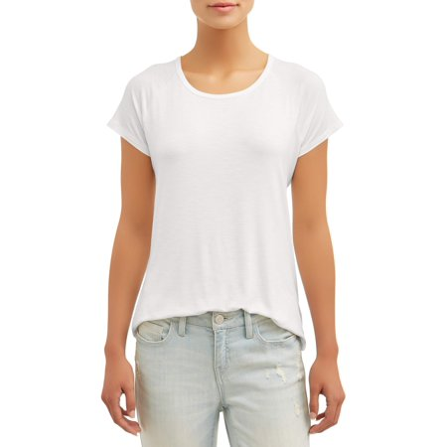
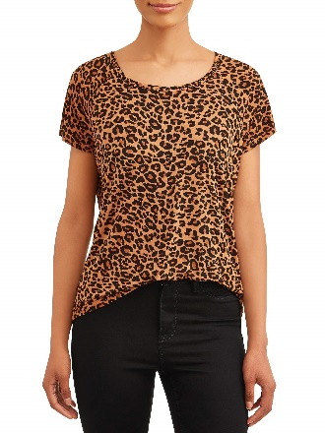
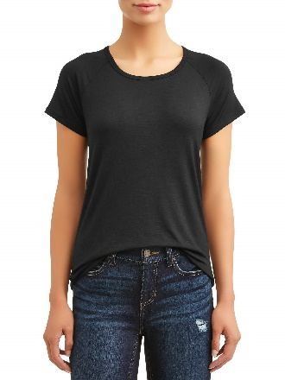

8809643783491 | $7.88 | 36 | 20 | Leopard Print |  | S-3XL | 720
8809643783491 | $7.88 | 12 | 12 | Leopard Print |  | S-3XL | 144
8809643782982 | $7.88 | 36 | 11 | Winter White |  | S-3XL | 396 | 1
8809643782920 | $7.88 | 36 | 2 | Black Soot |  | S-3XL | 72

 |  |  |  |  |  |  | 1332

