Sheet1
Description: Secret Treasures Women's Sleepwear
UPC | Retail | Units Per Case | Cases | Color | Picture | Size Range | Total | Number of Pallets
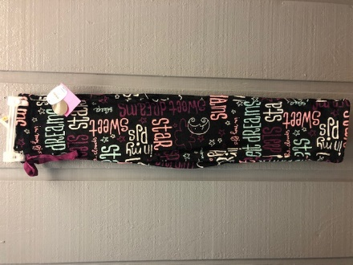
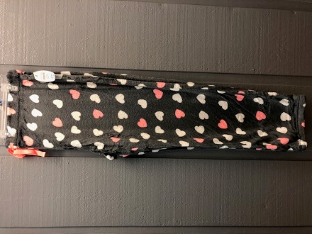

6940148205025 | $7.88 |  |  | Black
 |  | 24 | 21 |  |  | All Sizes | 504 | 1
6940148205125 | $7.88 |  |  | Grey

