Sheet1
Description: Secret Treasures Women's Sleepwear Jog Shorts
UPC | Retail | Units Per Case | Cases | Color | Picture | Small | Medium | Large | Xlarge | Total | Number of Pallets
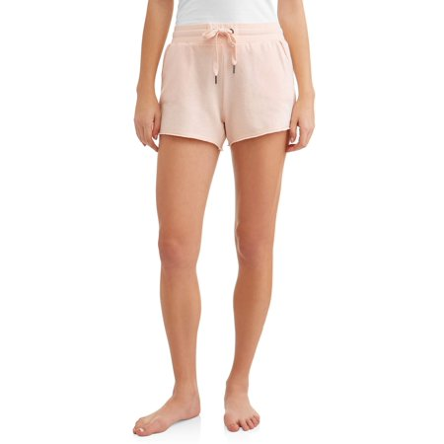

 |  |  | 3 |  |  | 36
 |  |  | 6 |  |  |  | 72
886944630851 | $9.46 | 12 |  | pchlly |  |  |  |  |  | 240 | 1
 |  |  | 5 |  |  |  |  | 60
 |  |  | 6 |  |  |  |  |  | 72

