Sheet1
Description: Secret Treasures Women's Sleepwear Jog Pants
UPC | Retail | Units Per Case | Cases | Color | Picture | Small | Medium | Xlarge | Total | Number of Pallets

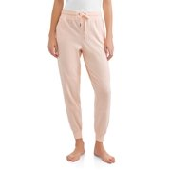
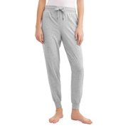
886944631360 | $14.76 | 12 | 5 | lgyhtr |  | 60 |  |  | 324 | 1
 |  |  | 22 |  |  |  | 264

 |  |  | 3 |  |  | 36
886944631421 | $14.76 | 12 | 11 | pchlly |  |  | 132 |  | 240 | 1
 |  |  | 6 |  |  |  |  | 72

