Sheet1
Description: WM (Athletic) Women's Knit Pants
UPC | Retail | Units Per Case | Cases | Color | Picture | Xsmall | Small | Medium | Large | Xlarge | Total | Number of Pallets
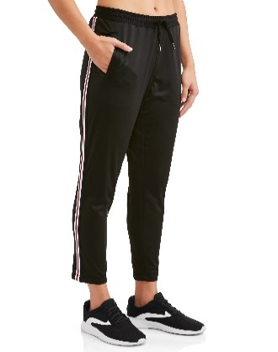

 |  |  | 20 |  |  |  |  |  |  | 240 |  | 1
696539056221 | $14.96 | 12 | 25 | Black Soot |  |  |  |  |  | 300 | 816 | 1
 |  |  | 23 |  |  |  |  | 276 |  |  |  | 1

