Sheet1
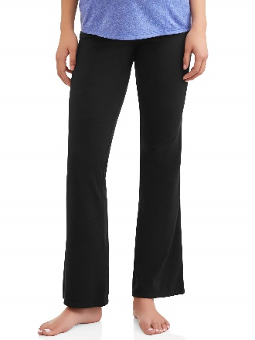
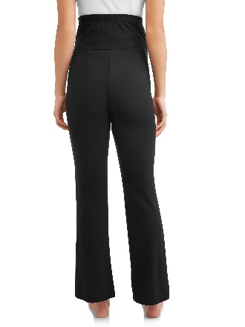
Description: Time and Tru Maternity Yoga Pants
UPC | Retail | Units per case | Cases | Color | Picture | Size | Total | Number of Pallets
192555087428 | $9.94 |  |  | Black Soot |  |  |  | 1

 |  | 12 | 32 |  |  | Small | 384
 |  | 12 | 38 |  |  | Medium | 456
 |  | 12 | 27 |  |  | 2XL | 324

 |  |  |  |  |  |  | 1164

Description: Time and Tru Maternity Yoga Pants
UPC | Retail | Units per case | Cases | Color | Picture | Size | Total | Number of Pallets
192555087428 | $9.94 |  |  | Black Soot |  |  |  | 1

 |  | 12 | 4 |  |  | Medium | 48
 |  | 12 | 55 |  |  | Large | 660
 |  | 12 | 9 |  |  | 2XL | 108

 |  |  |  |  |  |  | 816

