Sheet1
Description: Terra & Sky Women's Shirt
UPC | Retail | Units Per Case | Cases | Color | Picture | 1X | 2X | Total | Number of Pallets


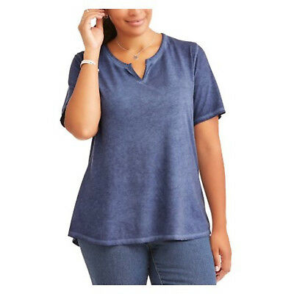
8806323873510 |  |  | 22 | Rose Dust |  | 528 |  | 1368 | 1
 |  |  | 35 |  |  |  | 840 |  | 1

 | $5.96 | 24

8806323873565 |  |  | 35 | Blue Shaphire |  |  | 840 | 1680 | 1
 |  |  | 35 |  |  |  | 840 |  | 1

