Sheet1
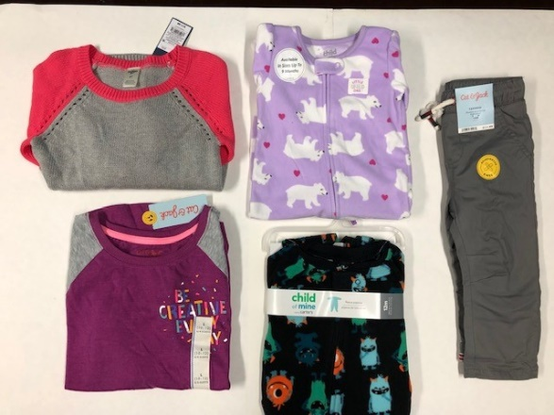
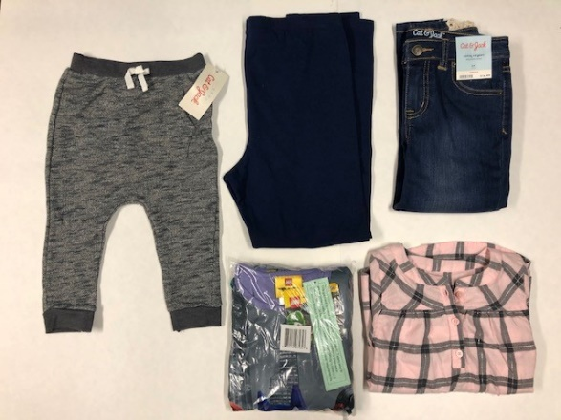
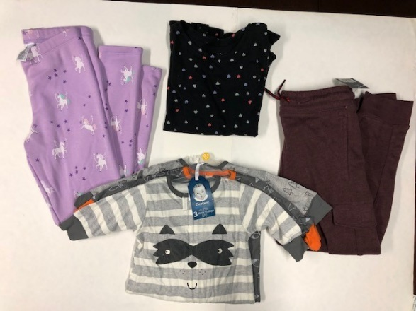
TGT Children's Winter Apparel

 | Description | Units
 | WINTER KIDS - CT | 790
 | WINTER KIDS - CT | 790
 | WINTER KIDS - CT | 790
 | WINTER KIDS - CT | 580
 | WINTER KIDS - CT | 740
 | WINTER KIDS - CT | 746
 | WINTER KIDS - CT | 467
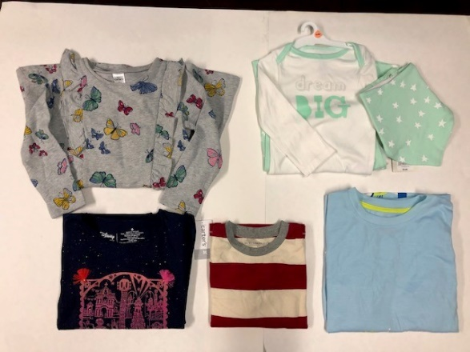
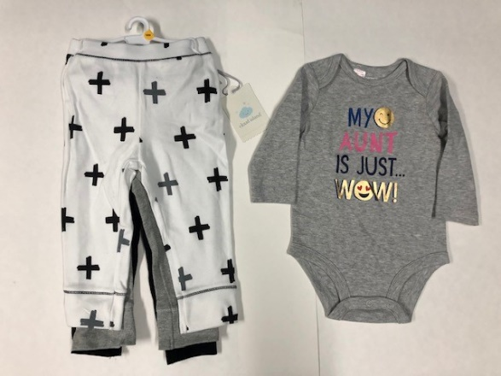
 | WINTER KIDS - CT | 480
 | WINTER KIDS - CT | 670
 | WINTER KIDS - CT | 300
 | WINTER KIDS - CT | 275
 | WINTER KIDS - CT | 371
 | WINTER KIDS - CT | 360
 | WINTER KIDS - CT | 520
 | WINTER KIDS - CT | 645
 | WINTER KIDS - CT | 702
 |  | 9226

