Flare
Description: Popsugar Jeans - Flare
UPC on the Box | Style Number | Retail | Units Per Case | Cases | Color | Picture | 2 | 4 | 6 | 8 | 10 | 12 | 14 | 16 | 18 | Total per Pallet | Number of Pallets

842660147912 |  |  |  | 12 |  |  |  |  |  |  |  | 120
842660147929 |  |  |  | 8 |  |  |  |  |  |  |  |  | 80
 | PB377RS | $50.00 | 10 |  | Med Wash |  |  |  |  |  |  |  |  |  |  | 350 | 1
842660147936 |  |  |  | 11 |  |  |  |  |  |  |  |  |  | 110
842660147943 |  |  |  | 4 |  |  |  |  |  |  |  |  |  |  | 40

Description: Popsugar Jeans - Flare
UPC on the Box | Style Number | Retail | Units Per Case | Cases | Color | Picture | 2 | 4 | 6 | 8 | 10 | 12 | 14 | 16 | 18 | Total per Pallet | Number of Pallets

842660147868 |  |  |  | 6 |  |  | 60
842660147875 |  |  |  | 8 |  |  |  | 80
842660147882 | PB377RS | $50.00 | 10 | 9 | Med Wash |  |  |  | 90 |  |  |  |  |  |  | 400 | 1
842660147899 |  |  |  | 9 |  |  |  |  |  | 90
842660147905 |  |  |  | 8 |  |  |  |  |  |  | 80

Description: Popsugar Jeans - Flare
UPC on the Box | Style Number | Retail | Units Per Case | Cases | Color | Picture | 2 | 4 | 6 | 8 | 10 | 12 | 14 | 16 | 18 | Total per Pallet | Number of Pallets
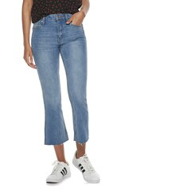

842660148001 |  |  |  | 6 |  |  |  |  |  |  | 60
842660148018 |  |  |  | 10 |  |  |  |  |  |  |  | 100
842660148025 | PB377RS | $50.00 | 10 | 8 | Light Wash |  |  |  |  |  |  |  | 80 |  |  | 360 | 1
842660148032 |  |  |  | 8 |  |  |  |  |  |  |  |  |  | 80
842660148049 |  |  |  | 4 |  |  |  |  |  |  |  |  |  |  | 40

Description: Popsugar Jeans - Flare
UPC on the Box | Style Number | Retail | Units Per Case | Cases | Color | Picture | 2 | 4 | 6 | 8 | 10 | 12 | 14 | 16 | 18 | Total per Pallet | Number of Pallets

842660147967 |  |  |  | 8 |  |  | 80
842660147974 |  |  |  | 7 |  |  |  | 70
842660147981 | PB377RS | $50.00 | 10 | 8 | Light Wash |  |  |  | 80 |  |  |  |  |  |  | 330 | 1
842660147998 |  |  |  | 7 |  |  |  |  |  | 70
842660148001 |  |  |  | 3 |  |  |  |  |  |  | 30

Description: Popsugar Jeans - Flare
UPC on the Box | Style Number | Retail | Units Per Case | Cases | Color | Picture | 2 | 4 | 6 | 8 | 10 | 12 | 14 | 16 | 18 | Total per Pallet | Number of Pallets
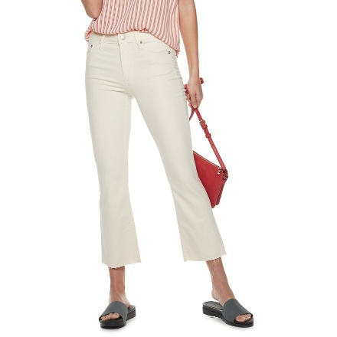
842660147660 |  |  |  | 3 |  |  | 30
842660147677 |  |  |  | 4 |  |  |  | 40
842660147684 |  |  |  | 2 |  |  |  |  | 20
842660147691 |  |  |  | 5 |  |  |  |  |  | 50
842660147707 | PB377-1RS | $50.00 | 10 | 3 | Bone Wash |  |  |  |  |  | 30 |  |  |  |  | 290 | 1
842660147714 |  |  |  | 6 |  |  |  |  |  |  |  | 60
842660147721 |  |  |  | 3 |  |  |  |  |  |  |  |  | 30
842660147738 |  |  |  | 1 |  |  |  |  |  |  |  |  |  | 10
842660147745 |  |  |  | 2 |  |  |  |  |  |  |  |  |  |  | 20

Description: Popsugar Jeans - Flare
UPC on the Box | Style Number | Retail | Units Per Case | Cases | Color | Picture | 2 | 4 | 6 | 8 | 10 | 12 | 14 | 16 | 18 | Total per Pallet | Number of Pallets
 |  | $50.00 | 10 |  |  |  |  |  |  |  |  |  |  |  |  | 180 | 1
842660147684 | PB377-1RS |  |  | 2 | Bone Wash |  |  |  | 20
842660147691 |  |  |  | 1 |  |  |  |  |  | 10
842660147707 |  |  |  | 1 |  |  |  |  |  |  | 10
842660147714 |  |  |  | 1 |  |  |  |  |  |  |  | 10
842660147721 |  |  |  | 1 |  |  |  |  |  |  |  |  | 10
842660147738 |  |  |  | 1 |  |  |  |  |  |  |  |  |  | 10

842660147974 | PB377RS |  |  | 1 | Light Wash |  |  | 10
842660147981 |  |  |  | 1 |  |  |  |  | 10
842660147998 |  |  |  | 2 |  |  |  |  |  | 20
842660148032 |  |  |  | 1 |  |  |  |  |  |  |  |  |  | 10
842660148049 |  |  |  | 1 |  |  |  |  |  |  |  |  |  |  | 10

842660147868 | PB377RS |  |  | 1 | Med Wash |  | 10
842660147875 |  |  |  | 1 |  |  |  | 10
842660147882 |  |  |  | 1 |  |  |  |  | 10
842660147912 |  |  |  | 1 |  |  |  |  |  |  |  | 10
842660147943 |  |  |  | 1 |  |  |  |  |  |  |  |  |  |  | 10

Description: Popsugar Jeans - Flare
UPC on the Box | Style Number | Retail | Units Per Case | Cases | Color | Picture | 2 | 4 | 6 | 8 | 10 | 12 | 14 | 16 | 18 | Total per Pallet | Number of Pallets
 |  | $50.00 | 10 |  |  |  |  |  |  |  |  |  |  |  |  | 390 | 1
842660147660 | PB377-1RS |  |  | 1 | Bone Wash |  | 10
842660147677 |  |  |  | 1 |  |  |  | 10
842660147684 |  |  |  | 1 |  |  |  |  | 10
842660147691 |  |  |  | 2 |  |  |  |  |  | 20
842660147707 |  |  |  | 1 |  |  |  |  |  |  | 10
842660147721 |  |  |  | 2 |  |  |  |  |  |  |  |  | 20

842660147974 | PB377RS |  |  | 1 | Light Wash |  |  | 10
842660147981 |  |  |  | 1 |  |  |  |  | 10

842660147875 | PB377RS |  |  | 1 | Med Wash |  |  | 10
842660147882 |  |  |  | 2 |  |  |  |  | 20
842660147899 |  |  |  | 2 |  |  |  |  |  | 20
842660147905 |  |  |  | 1 |  |  |  |  |  |  | 10
842660147929 |  |  |  | 1 |  |  |  |  |  |  |  |  | 10
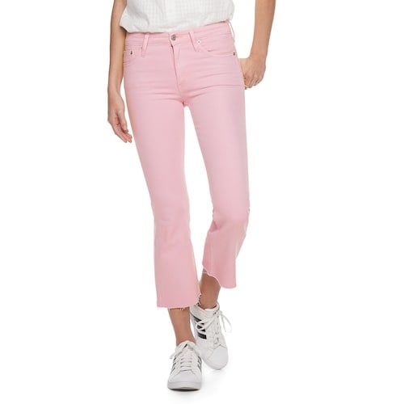
842660147936 |  |  |  | 1 |  |  |  |  |  |  |  |  |  | 10

842660147776 | PB377-2RS |  |  | 3 | Light Pink |  |  | 30
842660147783 |  |  |  | 3 |  |  |  |  | 30
842660147790 |  |  |  | 3 |  |  |  |  |  | 30
842660147806 |  |  |  | 3 |  |  |  |  |  |  | 30
842660147813 |  |  |  | 3 |  |  |  |  |  |  |  | 30
842660147820 |  |  |  | 3 |  |  |  |  |  |  |  |  | 30
842660147837 |  |  |  | 2 |  |  |  |  |  |  |  |  |  | 30
842660147844 |  |  |  | 1 |  |  |  |  |  |  |  |  |  |  | 10

