Skinny
Description: Popsugar Skinny Jeans
UPC on the Box | Style Number | Retail | Units Per Case | Cases | Color | Picture | 2 | 4 | 6 | 8 | 10 | 12 | 14 | 16 | 18 | Total per Pallet | Number of Pallets

842660132918 |  |  |  | 4 |  |  | 40
842660132925 |  |  |  | 6 |  |  |  | 60
842660132932 |  |  |  | 3 |  |  |  |  | 30
842660132949 |  |  |  | 8 |  |  |  |  |  | 80
842660132956 | PB340RS | $50.00 | 10 | 13 | Faded Blk |  |  |  |  |  | 130 |  |  |  |  | 550 | 1
842660132963 |  |  |  | 6 |  |  |  |  |  |  |  | 60
842660132970 |  |  |  | 6 |  |  |  |  |  |  |  |  | 60
842660132987 |  |  |  | 5 |  |  |  |  |  |  |  |  |  | 50
842660132994 |  |  |  | 4 |  |  |  |  |  |  |  |  |  |  | 40

Description: Popsugar Skinny Jeans
UPC on the Box | Style Number | Retail | Units Per Case | Cases | Color | Picture | 2 | 4 | 6 | 8 | 10 | 12 | 14 | 16 | 18 | Total per Pallet | Number of Pallets
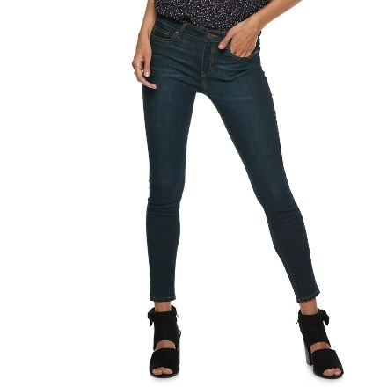
842660132819 |  |  |  | 2 |  |  | 20

842660132826 |  |  |  | 2 |  |  |  | 20
842660132833 |  |  |  | 1 |  |  |  |  | 10
 | PB340RS | $50.00 | 10 |  | DK Wash Dnm |  |  |  |  |  |  |  |  |  |  | 120 | 1
842660132840 |  |  |  | 1 |  |  |  |  |  | 10
842660132857 |  |  |  | 5 |  |  |  |  |  |  | 50

842660132871 |  |  |  | 1 |  |  |  |  |  |  |  |  | 10

Description: Popsugar Skinny Jeans
UPC on the Box | Style Number | Retail | Units Per Case | Cases | Color | Picture | 2 | 4 | 6 | 8 | 10 | 12 | 14 | 16 | 18 | Total per Pallet | Number of Pallets

842660143358 |  |  |  | 3 |  |  |  | 30
842660143365 |  |  |  | 4 |  |  |  |  | 40
842660143372 |  |  |  | 3 |  |  |  |  |  | 30
842660143389 |  |  |  | 4 |  |  |  |  |  |  | 40
 | PB340-1RS | $50.00 | 10 |  | Bone White |  |  |  |  |  |  |  |  |  |  | 270 | 1
842660143396 |  |  |  | 4 |  |  |  |  |  |  |  | 40
842660143402 |  |  |  | 4 |  |  |  |  |  |  |  |  | 40
842660143419 |  |  |  | 3 |  |  |  |  |  |  |  |  |  | 30
842660143426 |  |  |  | 2 |  |  |  |  |  |  |  |  |  |  | 20

Description: Popsugar Skinny Jeans
UPC on the Box | Style Number | Retail | Units Per Case | Cases | Color | Picture | 2 | 4 | 6 | 8 | 10 | 12 | 14 | 16 | 18 | Total per Pallet | Number of Pallets

842660132710 |  |  |  | 4 |  |  | 40
842660132727 |  |  |  | 10 |  |  |  | 100
842660132734 |  |  |  | 3 |  |  |  |  | 30
842660132741 |  |  |  | 9 |  |  |  |  |  | 90
842660132758 | PB340RS | $50.00 | 10 | 11 | Med Wash |  |  |  |  |  | 110 |  |  |  |  | 460 | 1
842660132761 |  |  |  | 1 |  |  |  |  |  |  |  | 10
842660132772 |  |  |  | 6 |  |  |  |  |  |  |  |  | 60
842660132789 |  |  |  | 1 |  |  |  |  |  |  |  |  |  | 10
842660132796 |  |  |  | 1 |  |  |  |  |  |  |  |  |  |  | 10

Flare
Description: Popsugar Jeans - Flare
UPC on the Box | Style Number | Retail | Units Per Case | Cases | Color | Picture | 2 | 4 | 6 | 8 | 10 | 12 | 14 | 16 | 18 | Total per Pallet | Number of Pallets

842660147769 |  |  |  | 1 |  |  | 10
842660147776 |  |  |  | 1 |  |  |  | 10
842660147783 |  |  |  | 5 |  |  |  |  | 50
842660147790 |  |  |  | 3 |  |  |  |  |  | 30
842660148806 | PB377-2RS | $50.00 | 10 | 3 | Light Pink |  |  |  |  |  | 30 |  |  |  |  | 220 | 1
842660147813 |  |  |  | 3 |  |  |  |  |  |  |  | 30
842660147820 |  |  |  | 3 |  |  |  |  |  |  |  |  | 30
842660147837 |  |  |  | 2 |  |  |  |  |  |  |  |  |  | 20
842660147844 |  |  |  | 1 |  |  |  |  |  |  |  |  |  |  | 10

Description: Popsugar Jeans - Flare
UPC on the Box | Style Number | Retail | Units Per Case | Cases | Color | Picture | 2 | 4 | 6 | 8 | 10 | 12 | 14 | 16 | 18 | Total per Pallet | Number of Pallets

842660147868 |  |  |  | 2 |  |  | 20
842660147875 |  |  |  | 2 |  |  |  | 20
842660147882 |  |  |  | 6 |  |  |  |  | 60
842660147899 |  |  |  | 7 |  |  |  |  |  | 70
842660148905 | PB377RS | $50.00 | 10 | 6 | Med Wash |  |  |  |  |  | 60 |  |  |  |  | 410 | 1
842660147912 |  |  |  | 8 |  |  |  |  |  |  |  | 80
842660147929 |  |  |  | 5 |  |  |  |  |  |  |  |  | 50
842660147936 |  |  |  | 1 |  |  |  |  |  |  |  |  |  | 10
842660147943 |  |  |  | 4 |  |  |  |  |  |  |  |  |  |  | 40

Description: Popsugar Jeans - Flare
UPC on the Box | Style Number | Retail | Units Per Case | Cases | Color | Picture | 2 | 4 | 6 | 8 | 10 | 12 | 14 | 16 | 18 | Total per Pallet | Number of Pallets
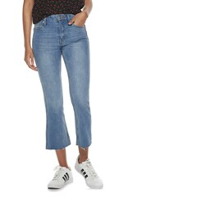
842660147967 |  |  |  | 2 |  |  | 20
842660147974 |  |  |  | 4 |  |  |  | 40
842660147981 |  |  |  | 5 |  |  |  |  | 50
842660147998 |  |  |  | 11 |  |  |  |  |  | 110
842660148001 | PB377RS | $50.00 | 10 | 6 | Light Wash |  |  |  |  |  | 60 |  |  |  |  | 500 | 1
842660148018 |  |  |  | 9 |  |  |  |  |  |  |  | 90
842660148025 |  |  |  | 7 |  |  |  |  |  |  |  |  | 70
842660148032 |  |  |  | 3 |  |  |  |  |  |  |  |  |  | 30
842660148049 |  |  |  | 3 |  |  |  |  |  |  |  |  |  |  | 30

Description: Popsugar Jeans - Flare
UPC on the Box | Style Number | Retail | Units Per Case | Cases | Color | Picture | 2 | 4 | 6 | 8 | 10 | 12 | 14 | 16 | 18 | Total per Pallet | Number of Pallets
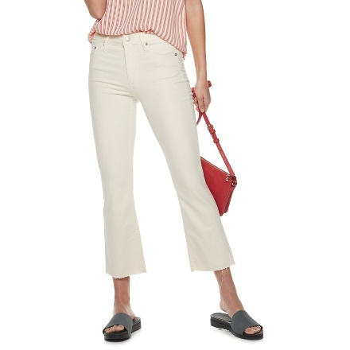
842660147660 |  |  |  | 2 |  |  | 20
842660147677 |  |  |  | 5 |  |  |  | 50
842660147684 |  |  |  | 7 |  |  |  |  | 70
842660147691 |  |  |  | 5 |  |  |  |  |  | 50
842660147707 | PB377-1RS | $50.00 | 10 | 5 | Bone Wash |  |  |  |  |  | 50 |  |  |  |  | 420 | 1
842660147714 |  |  |  | 7 |  |  |  |  |  |  |  | 70
842660147721 |  |  |  | 6 |  |  |  |  |  |  |  |  | 60
842660147738 |  |  |  | 2 |  |  |  |  |  |  |  |  |  | 20
842660147745 |  |  |  | 3 |  |  |  |  |  |  |  |  |  |  | 30

