Sheet1
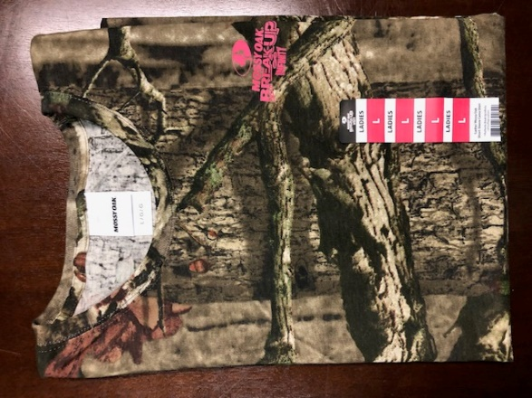
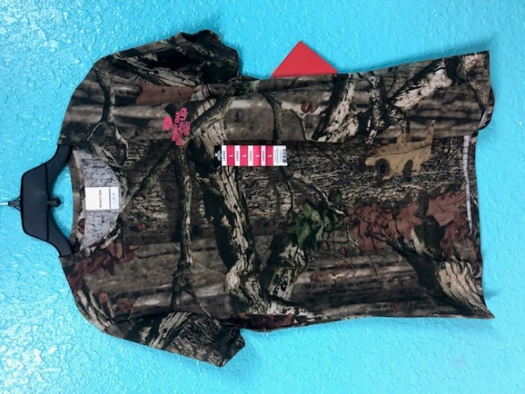
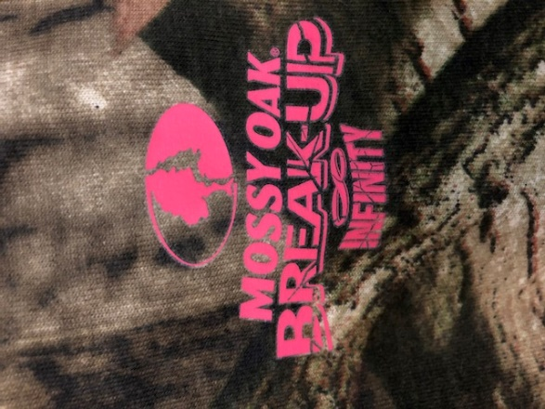
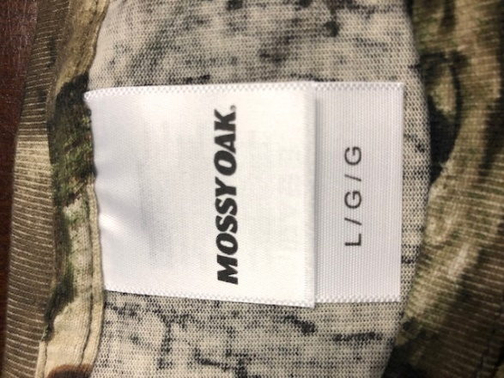
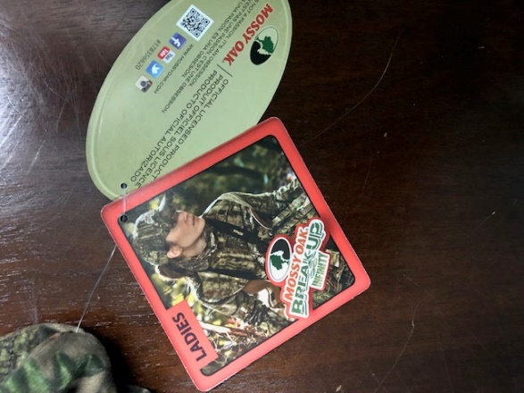
Mossy Oak Women's Shirts

 | Size | Units | # of Pallets
 | Large | 1128 | 1
 | Large | 576 | 1
 | Large | 1224 | 1
 |  | 2928 | 3

