Sheet1
Missy Bras
Sizes From 36DDD - 42DD
Color: Coral Silk
4 Pallets
3,722 Total Units
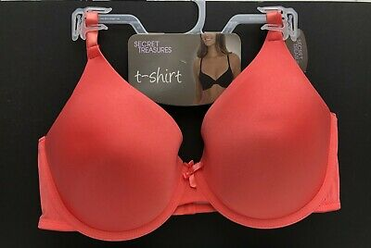

Pallet # | Units Per Case | Cases | 36DDD | 38DD | 38DDD | 40DD | 40DDD | 42DD | Total
1 | 24 | 15 |  |  |  | 360 |  |  | 828
 | 36 | 13 |  |  | 468

Pallet # | Units Per Case | Cases | 36DDD | 38DD | 38DDD | 40DD | 40DDD | 42DD | Total
2 | 36 | 12 |  |  |  | 432 |  |  | 876
 | 36 | 1 |  |  | 36
 | 24 | 17 |  |  |  |  | 408

Pallet # | Units Per Case | Cases | 36DDD | 38DD | 38DDD | 40DD | 40DDD | 42DD | Total
3 | 32 | 5 |  |  |  |  |  | 160 | 1,012
 | 36 | 18 |  |  |  | 648
 | 36 | 3 |  |  | 108
 | 24 | 4 |  |  |  |  | 96

Pallet # | Units Per Case | Cases | 36DDD | 38DD | 38DDD | 40DD | 40DDD | 42DD | Total
4 | 36 | 13 |  |  |  | 468 |  |  | 1,006
 | 24 | 4 |  |  |  |  | 96
 | 34 | 11 | 374
 | 34 | 2 |  | 68

