Sheet1
Description: George Sherpa Hoodies
UPC | Retail | Units Per Case | Cases | Color | Picture | 2XL | 3XL | Total | Number of Pallets

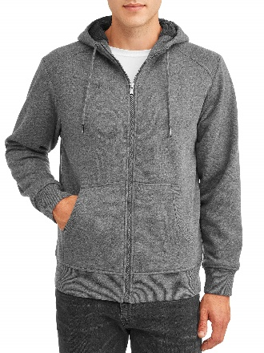

884968159860 | $19.96 |  | 10 |  |  | 120 |  | 120

 |  | 12 |  | Charcoal Grey |  |  |  |  | 1

884968159987 | $19.96 |  | 5 |  |  |  | 60 | 60

Description: George Sherpa Hoodies
UPC | Retail | Units Per Case | Cases | Color | Picture | Small | Medium | Large | Xlarge | 2XL | 3XL | Total | Number of Pallets

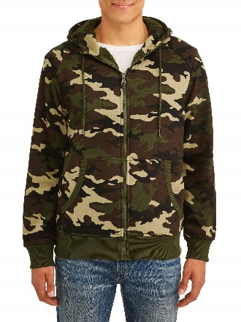
84968160064 |  | 2 |  |  |  | 30
84968160071 |  | 2 |  |  |  |  | 30
84968160088 |  | 3 |  |  |  |  |  | 45
 | $19.96 |  | 15 | Camo |  |  |  |  |  |  |  | 180 | 1

84968160095 |  | 3 |  |  |  |  |  |  | 45
84968160101 |  | 1 |  |  |  |  |  |  |  | 15
84968160118 |  | 1 |  |  |  |  |  |  |  |  | 15

Description: George Sherpa Hoodies
UPC | Retail | Units Per Case | Cases | Color | Picture | Small | Medium | Large | Xlarge | 2XL | 3XL | Total | Number of Pallets
884968159822 |  | 12 | 2 |  |  | 24
884968159846 |  | 11 | 1 |  |  |  |  | 11
884968159846 |  | 12 | 7 |  |  |  |  | 84
884968159853 |  | 12 | 3 |  |  |  |  |  | 36
884968159860 |  | 12 | 1 |  |  |  |  |  |  | 12
884968159877 | $19.96 | 12 | 1 | Charcoal Grey |  |  |  |  |  |  | 12 | 191 | 1
884968159822 |  | 2 | 1 |  |  | 2
884968159839 |  | 2 |  |  |  |  | 2
884968159846 |  | 3 |  |  |  |  |  | 3
884968159853 |  | 3 |  |  |  |  |  |  | 3
884968159860 |  | 1 |  |  |  |  |  |  |  | 1
884968159877 |  | 1 |  |  |  |  |  |  |  |  | 1

Description: George Sherpa Hoodies
UPC | Retail | Units Per Case | Cases | Color | Picture | Small | Medium | Large | Xlarge | 2XL | 3XL | Total | Number of Pallets

84968160064 |  | 2 |  |  |  | 24
84968160071 |  | 2 |  |  |  |  | 24
84968160088 |  | 3 |  |  |  |  |  | 36
 | $19.96 |  | 12 | Camo |  |  |  |  |  |  |  | 144 | 1

84968160095 |  | 3 |  |  |  |  |  |  | 36
84968160101 |  | 1 |  |  |  |  |  |  |  | 12
84968160118 |  | 1 |  |  |  |  |  |  |  |  | 12

Description: George Sherpa Hoodies
UPC | Retail | Units Per Case | Cases | Color | Picture | Small | Medium | Large | Xlarge | 2XL | 3XL | Total | Number of Pallets
884968159891 |  | 12 | 1 |  |  |  | 12
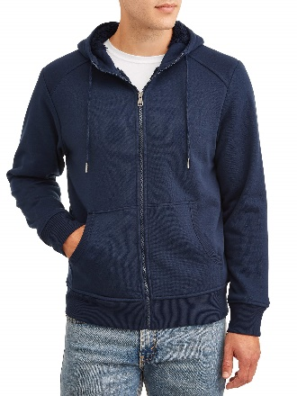
884968159907 |  | 12 | 2 |  |  |  |  | 24
884968159914 |  | 12 | 4 |  |  |  |  |  | 48
884968159921 |  | 7 | 1 |  |  |  |  |  |  | 7
884968159921 |  | 12 | 7 |  |  |  |  |  |  | 84
884968159938 | $19.96 | 12 | 2 | Blue Cove |  |  |  |  |  |  | 24 | 211 | 1
884968159884 |  | 2 | 1 |  |  | 2
884968159891 |  | 2 |  |  |  |  | 2
884968159907 |  | 3 |  |  |  |  |  | 3
884968159914 |  | 3 |  |  |  |  |  |  | 3
884968159921 |  | 1 |  |  |  |  |  |  |  | 1
884968159938 |  | 1 |  |  |  |  |  |  |  |  | 1

Description: George Sherpa Hoodies
UPC | Retail | Units Per Case | Cases | Color | Picture | Small | Medium | Large | Xlarge | 2XL | 3XL | Total | Number of Pallets

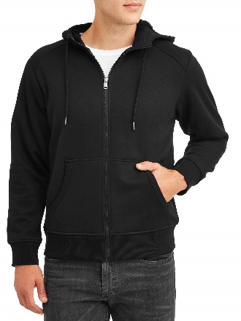
884986159761 |  | 2 |  |  |  | 24
884986159778 |  | 2 |  |  |  |  | 24
8849861597875 |  | 3 |  |  |  |  |  | 36
 | $19.96 |  | 12 | Black Soot |  |  |  |  |  |  |  | 144 | 1

884986159792 |  | 3 |  |  |  |  |  |  | 36
884986159808 |  | 1 |  |  |  |  |  |  |  | 12
884986159815 |  | 1 |  |  |  |  |  |  |  |  | 12

 |  |  |  |  |  |  |  |  |  |  |  | 1050 | 6

