Sheet1
Description: Harry Potter Sweatshirts and Joggers
UPC | Retail | Units Per Case | Cases | Color | Picture | Small | Large | Xlarge | XXlarge | Total | Number of Pallets
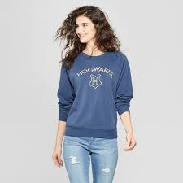
490060308152 - J | $19.98 |  |  | Blue |  | 1002

490060308114 - S | $19.98 |  |  | Blue |  |  | 234

490060308305 - S | $19.98 |  |  | Red |  |  |  |  | 654 | 1998 | 8

490060308121 - S | $19.98 |  |  | Blue |  |  |  | 66

490060308312 - S | $19.98 |  |  | Red |  |  |  |  | 42

