Sheet 1
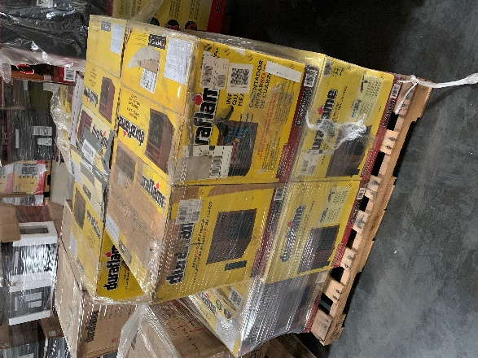
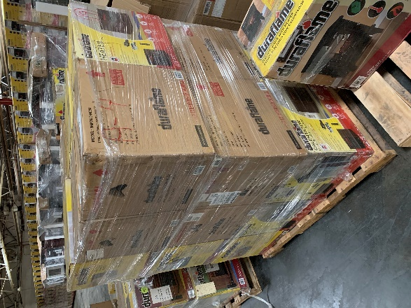
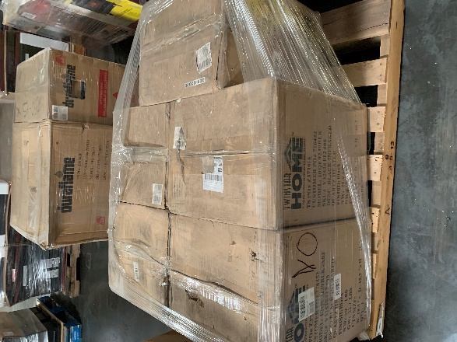
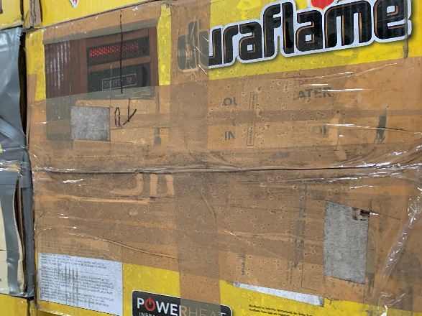
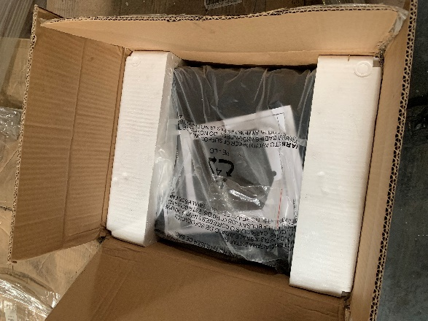
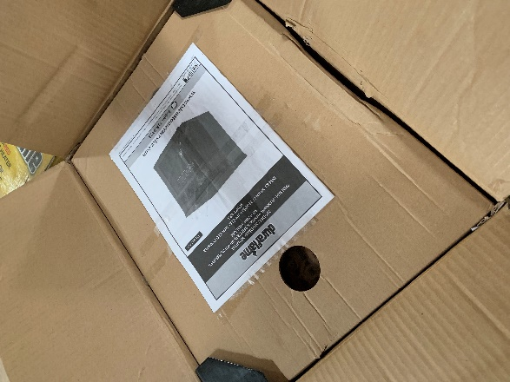
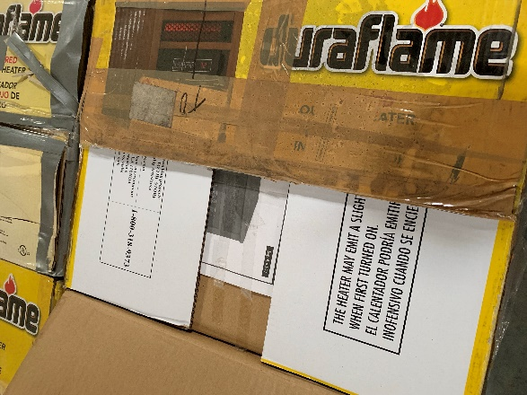
MODEL | DESC | PCS | RETAIL | TOT RETAIL
18IRM2232 | 32" Insert | 2 | $189.00 | $378.00
DFI3108 | Infrared Electric Stove | 2 | $69.99 | $139.98
10HM4126 | 1500 Watt Heater 1000sq/ft | 9 | $179.00 | $1,611.00
DFS750 | Elec Stove Heater | 11 | $165.00 | $1,815.00
9HM9273 | Ifrared Heater | 4 | $159.00 | $636.00
9HM7000 | Portable 1500 Watt Heater | 19 | $130.00 | $2,470.00
10QF9239 | Small Stove Heater | 5 | $69.99 | $349.95
9HM8101 | Infrared Heater | 11 | $159.99 | $1,759.89
DFS550 | Medium Stove Heater | 4 | $99.99 | $399.96
 |  | 67 |  | $9,559.78

