Sheet1
Hamilton Beach Small Appliances
Blenders, Coffee Makers, Juicers, Toasters, Slow Cookers, and much More!

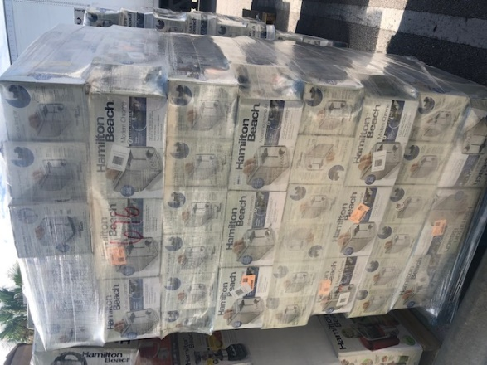
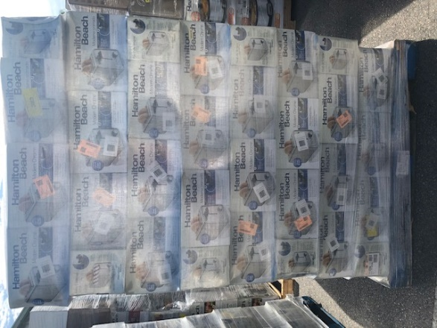
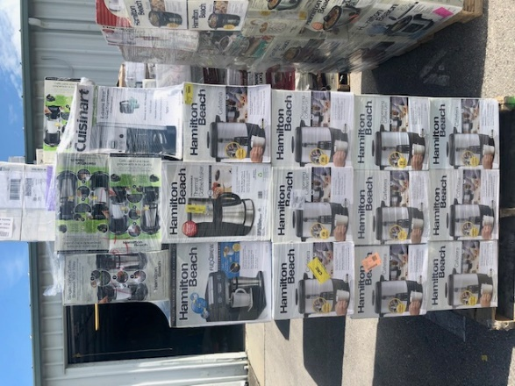

 |  | Pallet 700 | Returns
 | Model | Description | Units
 |  | Mixed Small Appliances | 60
 |  |  | 60

 |  | Pallet 104 | Returns
 | Model | Description | Units
 |  | Mixed Small Appliances | 38
 |  |  | 38

 |  | Pallet 859 | Returns
 | Model | Description | Units
 |  | Mixed Small Appliances | 90
 |  |  | 90

 |  | Pallet 860 | Returns
 | Model | Description | Units
 |  | Mixed Small Appliances | 105
 |  |  | 105

 |  | Pallet 858 | Returns
 | Model | Description | Units
 |  | Mixed Small Appliances | 85
 |  |  | 85

 |  | Pallet 857 | Returns
 | Model | Description | Units
 |  | Mixed Small Appliances | 85
 |  |  | 85

 |  | Pallet 856 | Returns
 | Model | Description | Units
 |  | Mixed Small Appliances | 80
 |  |  | 80

 |  | Pallet 855 | Returns
 | Model | Description | Units
 |  | Mixed Small Appliances | 95
 |  |  | 95

 |  |  | Returns
 | Model | Description | Units
 |  | Mixed Small Appliances | 67
 |  |  | 67

 |  |  | Returns
 | Model | Description | Units
 |  | Mixed Small Appliances | 47
 |  |  | 47

 |  |  | Returns
 | Model | Description | Units
 |  | Mixed Small Appliances | 80
 |  |  | 80

 | 11 | Pallet Totals & Unit Totals | 832

