Sheet1
Hamilton Beach Small Appliances
Blenders, Coffee Makers, Juicers, Toasters, Slow Cookers, and much More!

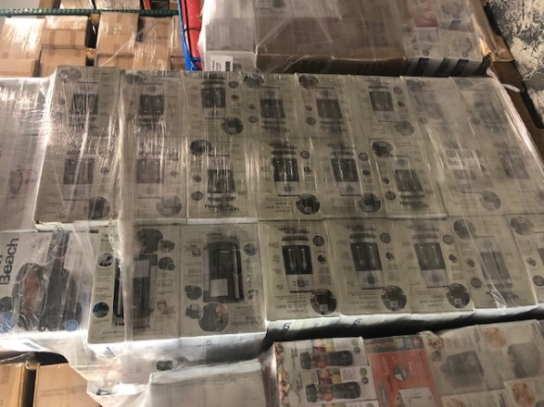
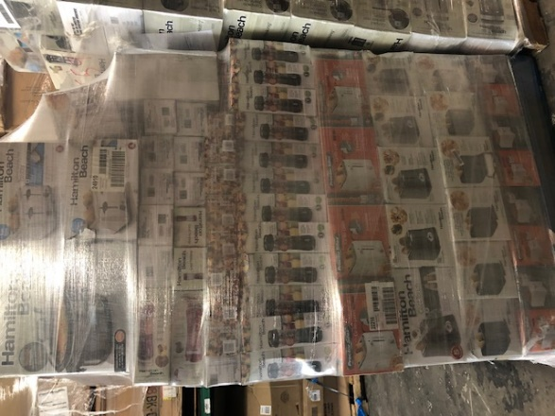



 |  | Pallet 508 | New
 | Model | Description | Units
 | 22005 | 2 Slice Toaster | 54
 | 50128 | Blender | 40
 | 58163 | Wave Crush Blender | 20
 |  |  | 114

 |  | Pallet 556 | New
 | Model | Description | Units
 | 40400 | French Press w/ Attachment | 4
 | 40412R |  | 1
 | 40514R | Brewstation 40 Cup | 1
 | 43671 | 12 Cup Coffee | 26
 | 46299 | 12 Cup Coffee | 15
 | 332754 | 3 QT Slow Cooker | 22
 | 423016 | 22 QT Raoster Oven | 1
 | 37533N | 10 Cup Rice Cooker | 5
 |  |  | 75

 |  | Pallet 526 | New
 | Model | Description | Units
 | 72862 | Pionneer Women Chopper | 27
 | 51101BV | Smoothie Blender | 42
 | 33472 | 7QT Slow Cooker | 17
 | 49980A | 2 Way Coffee | 8
 | 50190 | Smoothie Blender | 6
 | 54229 | Power Plus Blender | 6
 | 4383 | Air Purifier | 1
 | 51126 | Single Serve Blender | 1
 | R1600 | Single Serve Blender | 1
 | 51101V | Smoothie Blender | 2
 | 33195 | Extra Large Slow Cooker | 1
 | 58163 | Wave Cruch Blender | 2
 | 70820 | 8CUP Stack and Snap | 1
 | 33140V | 4QT Slow Cooker Silver | 1
 | 33463 | 6QT Slow Cooker | 1
 | 58149 | Power Elite Blender/Chopper | 2
 |  |  | 119

 |  | Pallet 558 | New
 | Model | Description | Units
 | 62695V | Hand Mixer | 7
 | 40970 | Elec. Knife | 16
 | 78213 | Vacuum Sealer | 17
 | 40514R | 40 Cup Coffee | 23
 | 33477 | 7qt Slow Cooker | 1
 | 22612 | 2 Slice Toaster | 2
 | 70576 | 14 Cup Food Processor | 1
 | 49465R | 12 Cup Coffee | 1
 | 24608V | 12 Cup Coffee | 2
 | 26071 | Waffel Maker | 1
 | 33138 | 3qt Slow Cooker | 1
 | 33666 | 6qt Slow Cooker | 4
 | 49952 | Flexbrew Coffee | 2
 | 40514R | 45 Cup Coffee Urn | 1
 | 62634 | Hand Mixer | 1
 | 72862 | Pioneer Women Chopper | 1
 | 5104 | Commercial 2 Speed Blender | 1
 | 24201 | 4 Slice Toaster | 3
 | 31148 | Toaster Oven | 1
 | SC56 | 7qt Slow Cooker | 2
 | 33185 | 8qt Slow Cooker | 3
 | R1017 | 12 CUP Brewstation | 2
 |  |  | 93

 |  | Pallet 506 | New
 | Model | Description | Units
 | 40880 | Electric Kettle | 125
 | 40893Z | Stainless Kettle | 11
 | 51102 | Personal Blender | 2
 | R1603 | Single Serve Blender | 2
 | 53205 | 700 Watt Blender | 3
 | 50129 | 10 Speed Blender | 3
 | 53519 | Wave Action Blender | 7
 | 58146CL |  | 3
 | 37518 | Rice Cooker | 6
 | 37516 | Rice Cooker | 1
 | 37542 | 20 Cup Rice Cooker | 2
 | 37508 | 8 Cup Rice Cooker | 1
 | 58144 | 40oz Blender/Chopper | 2
 | 53518 | Wave Action Blender | 1
 |  |  | 169

 |  | Pallet 491 | New
 | Model | Description | Units
 | 33364 | Pioneer Women 6qt Slow Cooker | 35
 | 33861 | Flex Cook 6qt Slow Cooker | 14
 |  |  | 49

 |  | Pallet 561 | New
 | Model | Description | Units
 | 33111Y | Proctor Silex Slow Cooker | 9
 | 33015YA | Slow Cooker | 23
 | 70550R | 8 Cup Food Processor | 14
 | 33116Y | Slow Cooker | 59
 | 43603 | 12 Cup Coffee | 3
 | 62507 | Hand Mixer | 1
 |  |  | 109

 |  | Pallet 509 | New
 | Model | Description | Units
 | 54615 | Wave Station Blender | 24
 | 58615 | 48oz Wave Station Blender | 4
 | 56206 | Smoothie Blender | 23
 | 50129 | 48oz Wave Station Blender | 2
 | 58143 | Wave Crusher Blender | 1
 | 59765 | Immersion Blender | 21
 | 66331 | Proctor Silex Juicer | 4
 | 53604 | Quiet Blender | 2
 | 1730Y | Iron | 1
 | 17201 | Steam Iron | 3
 | 17130Y | Iron | 2
 | 17171 | Iron | 2
 | 17102 | Iron | 1
 | 70725 | 12 Cup Food Processor | 3
 | 49981A | Single Serve Coffee | 20
 | 49999A | Single Serve Coffee | 1
 | 33237 | 3qt Slow Cooker | 13
 | 70581C | 12CUP Food Processor | 1
 | 59762 | Immersion Blender | 10
 |  |  | 138

 |  | Pallet 505 | New
 | Model | Description | Units
 | 58144 | 40oz Blender/Chopper | 29
 | 33256 | 5qt Slow Cooker | 46
 | 58137 | Blender | 7
 | 58146 | 40oz Power Elite Blender | 6
 |  |  | 88

 |  |  | New
 | Model | Description | Units
 |  | Mixed Small Appliances | 110
 |  |  | 110

 | 10 | Pallet Totals & Unit Totals | 1064

