Sheet1
Description: Athletic Works Long Sleeve Graphic Performance Long Sleeve Shirt
UPC | Retail | Units Per Case | Cases | Color | Picture | Xsmall | Small | Medium | Large | Xlarge | XXlarge | Plus | Total on each Pallet | Number of Pallets

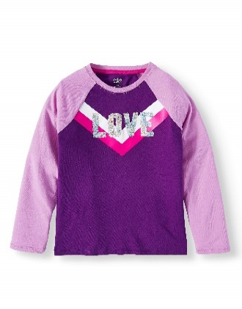
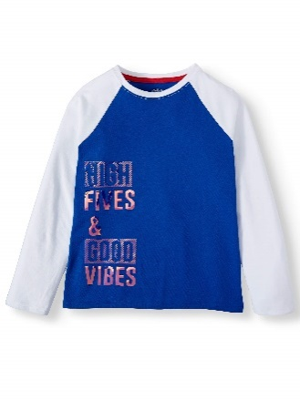
8809598111929 | $6.74 |  |  | Pretty Purple |  | 2 | 3 | 5 | 5 | 5 | 2 | 2

 |  |  | 38 |  |  |  |  |  |  |  |  |  | 1824 | 1
 |  | 48
 |  |  | 25 |  |  |  |  |  |  |  |  |  | 1200 | 1

8809598112018 | $6.74 |  |  | Royal Spice |  | 2 | 3 | 5 | 5 | 5 | 2 | 2

Description: Athletic Works Long Sleeve Graphic Performance Long Sleeve Shirt
UPC | Retail | Units Per Case | Cases | Color | Picture | Xsmall | Small | Medium | Large | Xlarge | XXlarge | Plus | Total | Number of Pallets

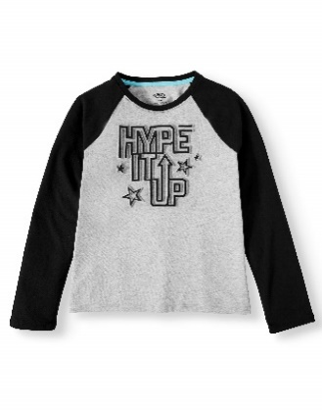
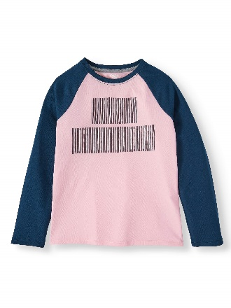
8809598111776 | $6.74 |  |  | Pink Frost |  | 2 | 3 | 5 | 5 | 5 | 2 | 2

 |  | 48 | 23 |  |  |  |  |  |  |  |  |  | 1104 | 1

8809598111868 | $6.74 |  |  | Light Grey Heather |  | 3 | 3 | 5 | 5 | 5 | 2 | 2

 |  |  |  |  |  |  |  |  |  |  |  | Totals: | 4128 | 3

