Sheet1
Description: Faded Glory Boy's Plaid Shirt
UPC | Retail | Units Per Case | Cases | Color | Picture | Size | Total | Number of Pallets
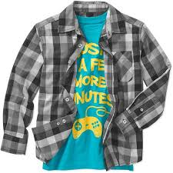

682186575383 | $10.88 | 24 | 35 | Black |  | M | 840 | 1
 |  |  | 46 | Plaid |  |  | 1104 | 1

 |  |  |  |  |  |  | 1944 | 2

