Sheet1
Description: Dearfoam Women's Slipper Socks
UPC | Retail | Units Per Case | Cases | Color | Picture | Fits Shoe Size | Total
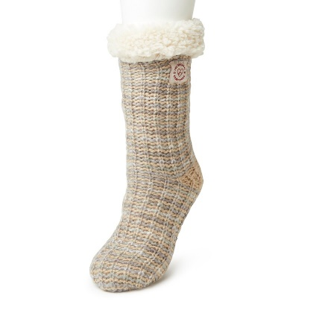

91217089209 | $18.00 | 15 | 40 | Oatmeal Heather |  | 4 to 10 | 600

Description: Dearfoam Women's Slipper Socks
UPC | Retail | Units Per Case | Cases | Color | Picture | Fits Shoe Size | Total
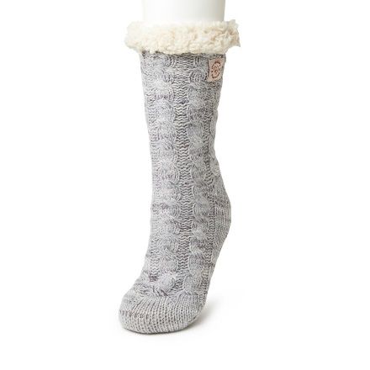

91217096382 | $18.00 | 15 | 44 | Light Heather Grey |  | 4 to 10 | 660

Description: Dearfoam Women's Slipper Socks
UPC | Retail | Units Per Case | Cases | Color | Picture | Fits Shoe Size | Total

91217089223
 | $18.00 | 15 | 68 | Black |  | 4 to 10 | 1020
91217100317

 |  |  |  |  |  |  | 2280

