Sheet1
Description: SO Jacket
UPC | Units Per Case | Cases | Color | Picture | Xsmall | Small | Medium | Large | Xlarge | Total per Pallet
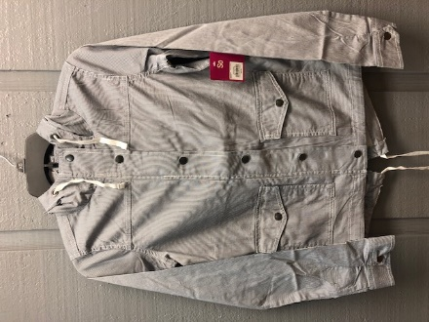
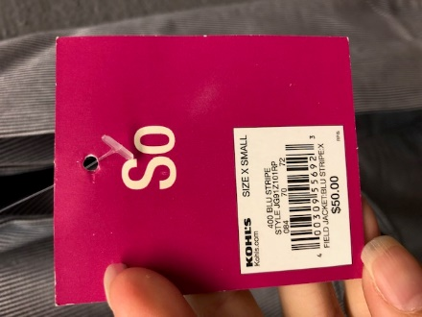

 |  | 70 |  |  |  |  |  |  |  | 560
400309556923 | 8 | 70 | Blu Stripe |  | 1 | 2 | 2 | 2 | 1 | 560
 |  | 74 |  |  |  |  |  |  |  | 592

 |  |  |  |  |  |  |  |  |  | 1712

