Sheet1
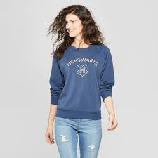
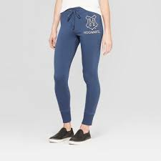
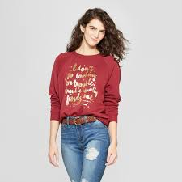
UPC | Description | Units | Retail | Ext. Retail
490060308152 | Women's Harry Potter Hogwarts Jogger Pants - (Juniors') Blue S | 180 | $19.98 | $3,596.40
490060308152 | Women's Harry Potter Hogwarts Jogger Pants - (Juniors') Blue S | 252 | $19.98 | $5,034.96
490060308114 | Women's Harry Potter Hogwarts Graphic Sweatshirt - (Juniors') Blue L | 234 | $19.98 | $4,675.32
490060308091 | Women's Harry Potter Hogwarts Graphic Sweatshirt - (Juniors') Blue S | 180 | $19.98 | $3,596.40
490060308305 | Women's Harry Potter Quote Graphic Sweatshirt - (Juniors') Red XL | 174 | $19.98 | $3,476.52
490060308305 | Women's Harry Potter Quote Graphic Sweatshirt - (Juniors') Red XL | 192 | $19.98 | $3,836.16
490060308152 | Women's Harry Potter Hogwarts Jogger Pants - (Juniors') Blue S | 294 | $19.98 | $5,874.12
490060308121 | Women's Harry Potter Hogwarts Graphic Sweatshirt - (Juniors') Blue XL | 66 | $19.98 | $1,318.68
490060308152 | Women's Harry Potter Hogwarts Jogger Pants - (Juniors') Blue S | 96 | $19.98 | $1,918.08
490060308305 | Women's Harry Potter Quote Graphic Sweatshirt - (Juniors') Red XL | 168 | $19.98 | $3,356.64
490060308312 | Women's Harry Potter Quote Graphic Sweatshirt - (Juniors') Red XXL | 42 | $19.98 | $839.16
490060308305 | Women's Harry Potter Quote Graphic Sweatshirt - (Juniors') Red XL | 120 | $19.98 | $2,397.60
 |  | 1998 |  | $39,920.04

